工作表1
Xmind
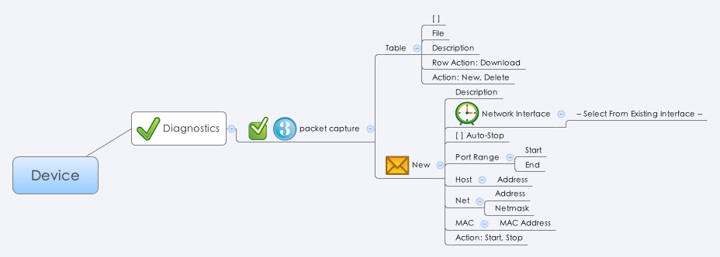

Behavior
1. 使用者點選 Diagnostics 頁面時，使用 pcap_file_list.cgi (GET Method) 來形成 Table。使用 getDiskUsage.cgi 取得 diskUsage，假如數值大於 90 則 grayout "New" button。假如 guiPcapFileTNum = 50，則 grayout "New" button。
2. 使用者點選 Row Action 的 Download 按鈕時，透過 packetCaptureDl.cgi (GET Method) 來下載檔案。(example: https://192.168.180.102/cgi-bin/packetCaptureDl.cgi?fpath=/mnt/hda/archer/pcap/20131026154450.pcap) fpath 的值透過 pcap_file_list.cgi 裡的 filepath 欄位得到。
3. 使用者透過 pcap_file_list.cgi (POST Method) 來刪除檔案，刪除檔案需把 delete 欄位設成 1。
4. 使用者按下 Start 按鈕時，透過 packetCapture.cgi 來抓取封包。此時 Grayout 當下 Window 以外的頁面，不能讓使用者點選其他頁面，只有 Stop 按鈕可以按。
5. Max file number is 50.
6. (New!!!) 當使用者開始抓封包後， GUI 因為 session timeout 或其他原因導致使用者必須重新登入並進去 packet capture 的頁面， 此時除了需要用 pcap_file_list.cgi (GET Method) 來形成 Table 外，也要用 packetCapture.cgi 的 GET Method 來得知系統是否還在抓封包。 此時只要比對 pcap_file_list.cgi 與 packetCapture.cgi 的 desc 欄位即可。 假如系統還在抓封包的話，GUI 要有相對應呈現畫面。

[UI Display Name] | [CGI Name] | [JSON Name] | [Description] | [Restrictions]
Table
File | pcap_file_list.cgi | filename | String | length: 127
Description | pcap_file_list.cgi | desc | String | length: 127
N/A | pcap_file_list.cgi | filepath | String | length: 511
N/A | pcap_file_list.cgi | delete | 0/1. Default: 0.
Size | pcap_file_list.cgi | size | the size of the pcap (unit: byte)
New
Description | packetCapture.cgi | desc | String | length: 127 (Necessary)
Network Interface | packetCapture.cgi | ifname | Interface Name. Please use the common_if_list.cgi to form the drop down list. | length: 63 (Necessary)
Auto-Stop | packetCapture.cgi | autoStop | 0/1, Default: 0. | (Necessary)
Port Range Start | packetCapture.cgi | portStart | Integer. Default: 0.
Port Range End | packetCapture.cgi | portEnd | Integer. Never less than portStart. Default: 0.
Host Address | packetCapture.cgi | host | Domain name or Host IP address | length: 127 (Optional)
Net Address | packetCapture.cgi | netAddress | Network IP address | length: 32 (Optional)
Net Netmask | packetCapture.cgi | netmask | netmask | length: 32 (Optional)
MAC Address | packetCapture.cgi | mac | MAC address | length: 32 (Optional)
N/A | packetCapture.cgi | action | "start" or "stop" | length: 32
N/A | packetCapture.cgi | status | 0: start, 1: stop
JSON String
## cgi name ##
packetCapture.cgi
## GET & POST methods ##
{
"desc": "This is a test.",
"ifname": "WAN1",
"autoStop": 0,
"portStart": 0,
"portEnd": 0,
"host": "www.google.com.tw",
"netAddress": "192.168.1.0",
"netmask": "255.255.255.0",
"mac": "AA:BB:CC:DD:EE:FF",
"action": "start",
"status": 0
}
## cgi name ##
pcap_file_list.cgi
## GET & POST methods ##
{
"guiPcapFileTNum": 4,
"guiPcapFileT": [
{
"filename": "20131026132242.pcap",
"desc": "A packet capture file",
"filepath": "/mnt/hda/archer/pcap/20131026132242.pcap",
"delete": 0,
"size": 1234
},
{
"filename": "20131026132639.pcap",
"desc": "A packet capture file",
"filepath": "/mnt/hda/archer/pcap/20131026132639.pcap",
"delete": 0,
"size": 1234
},
{
"filename": "20131026145938.pcap",
"desc": "This is a testing...",
"filepath": "/mnt/hda/archer/pcap/20131026145938.pcap",
"delete": 0,
"size": 1234
},
{
"filename": "20131026154450.pcap",
"desc": "What the fuck !",
"filepath": "/mnt/hda/archer/pcap/20131026154450.pcap",
"delete": 0,
"size": 1234
}
]
}

